GL File Specs and Instructions
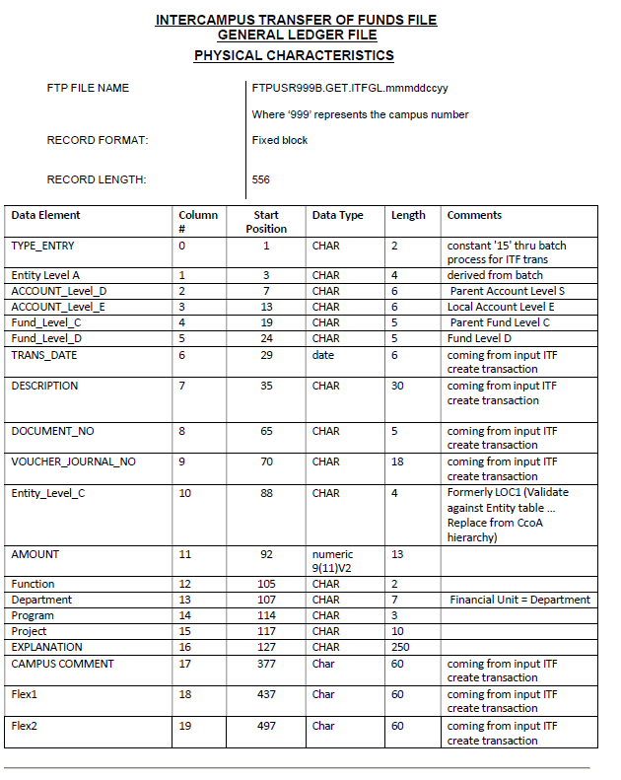
Instructions
1) Clear data in < 'ITF File'> tab
2) Copy ITFGL text file and paste to the <'ITF File' > tab starting cell-A1
3 ) Formatted file visible on <'Reformatted'> tab

